Report_R1_fastqc
R1.fastq

Measure | Value
Filename | NG18B_1.fastq
File type | Conventional base calls
Encoding | Sanger / Illumina 1.9
Total Sequences | 25000
Sequences flagged as poor quality | 0
Sequence length | 101
%GC | 50
 | Per base sequence quality

 | Per tile sequence quality

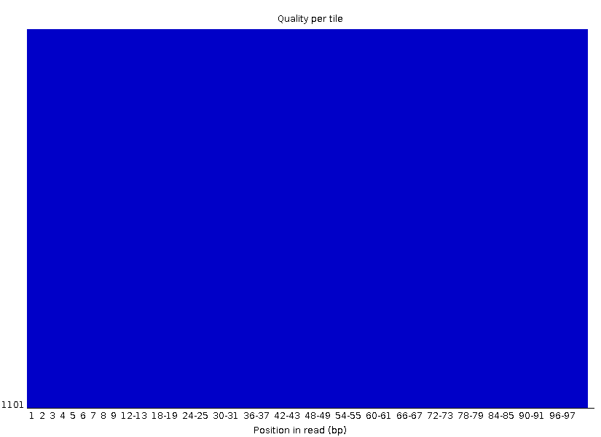

 | Per sequence quality scores

 | Per base sequence content

 | Per sequence GC content

 | Per base N content

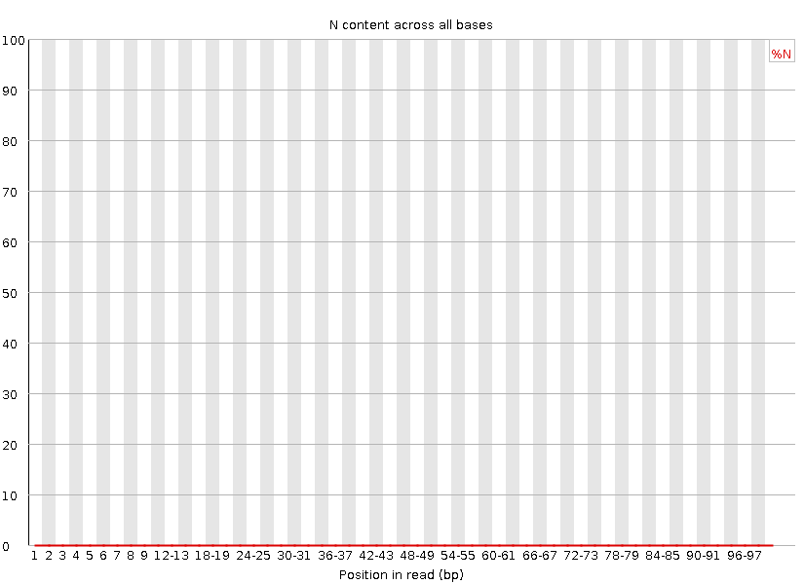

 | Sequence Length Distribution

 | Sequence Duplication Levels

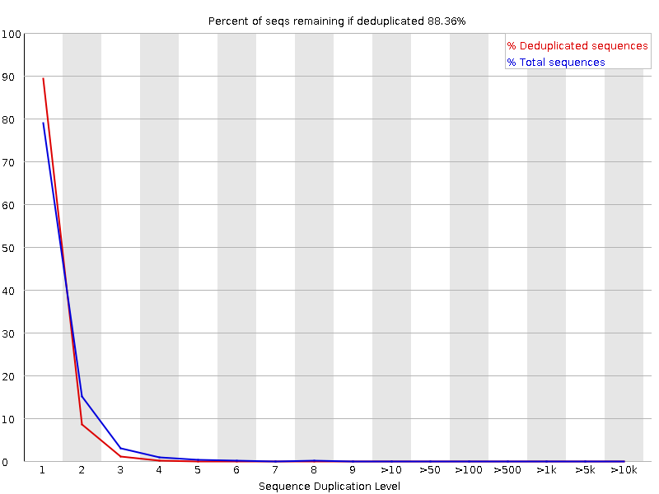

 | Overrepresented sequences
 | No overrepresented sequences

 | Adapter Content

